Tips & Tricks print screens
Insert New Line
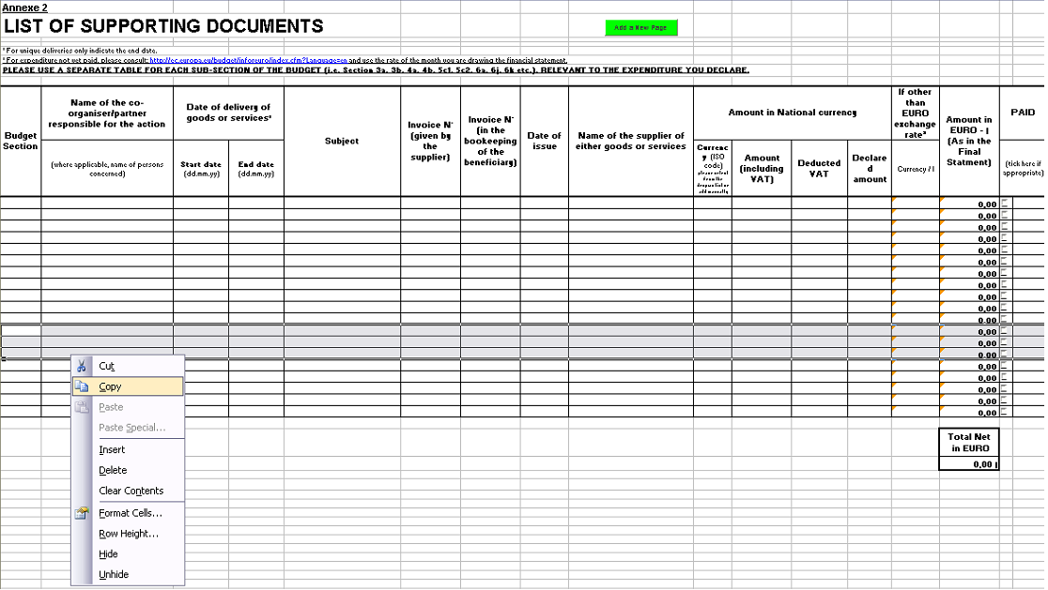
Add a New Page

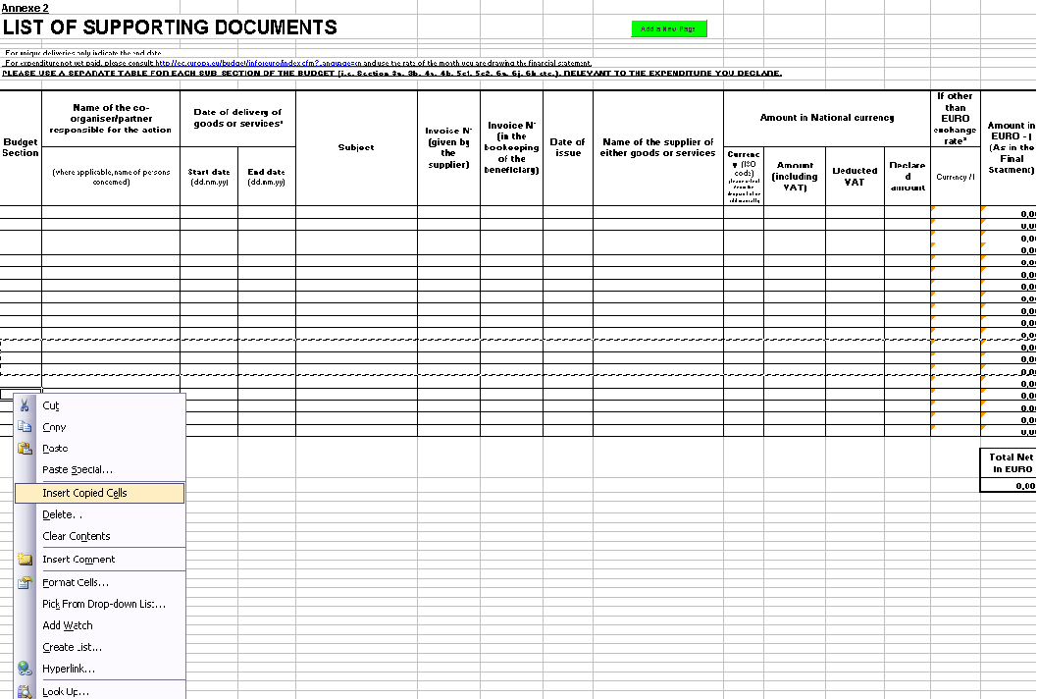

Drop Down Menu

Rename a new Tab

right click

